ASHE MAP
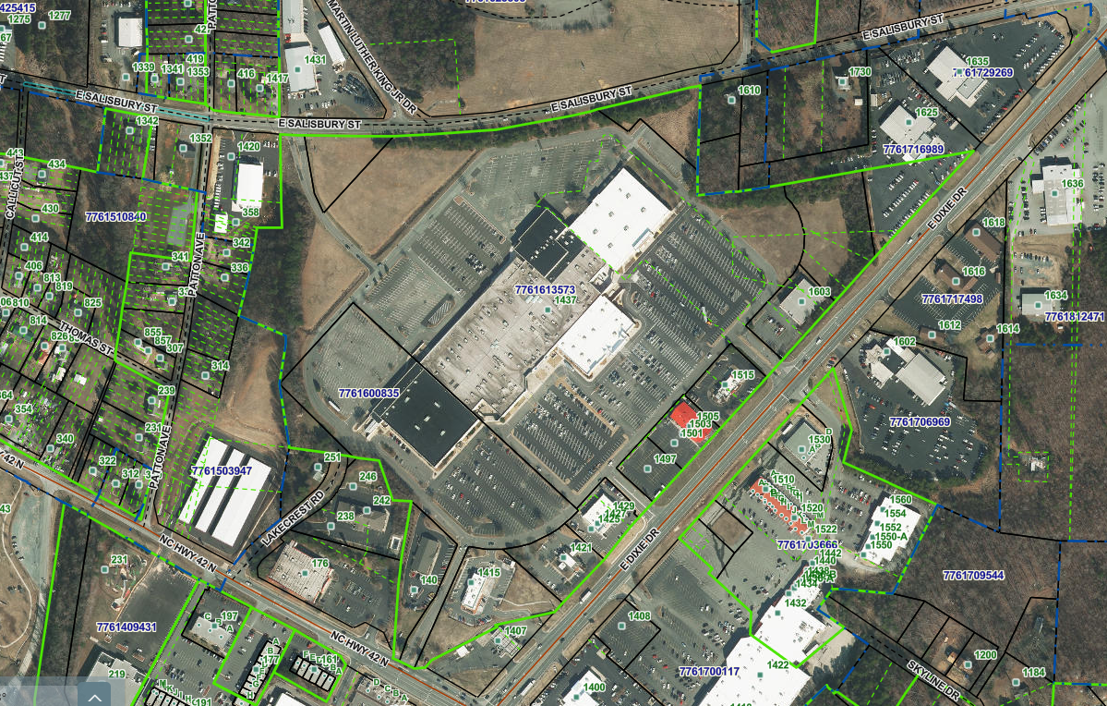

15

1

14

13
3
2
12

4

5

16
7
10
11
17

6
8

18
9

